Product Life Cycle Stages
Stage | Description / Characteristics
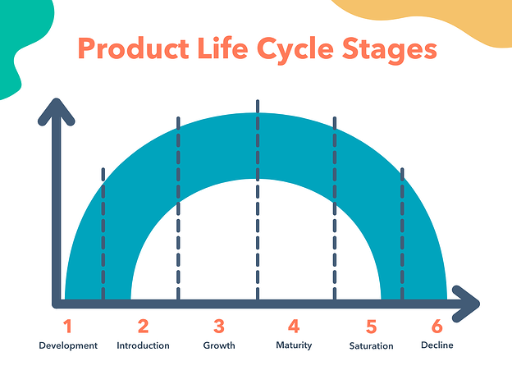
1 - Development | • Research phase before product is introduced to the marketplace • Develop protype and test product effectiveness • Strategize launch • Can be lengthy and expensive depending on prodcut complexity, product newness and competition • Build brand awareness
2 - Introduction | • First launch in the marketplace • Build product awareness • Reach out to potential customers • Sales typically low at first • Promote with inbound marketing and content marketing • Educate target customer"
3 - Growth | • Consumers accept product and buy in • Demand and profits grow (hopefully steadily and rapidly) • Market for product expands, competition develops • Marketing campaigns often shift from customers buy-in to brand presence • New distribution channels, features and support services
4 - Maturity | • Sales begin to level off from the rapid growth • Reduced prices to stay competitive • Company becomes more efficient • Marketing typically focused on differentiation, not awareness • Product features might be enhanced, distribution more intensive • Products begin to enter most profitable stage • Production costs decline • Establish yourself as a leader, differentiate your brand
5 - Saturation | • Competitors take portion of market, neither growth nor decline in sales • Desire is brand preference • Make minor tweaks if innovation isn't possible • Focus on differentiation in features, brand awareness, price, customer service • Use customer testinomonials in marketing
6 - Decline | • Sales decrease during heightened competition • New trends emerge • Companies discontinue product, sell company, or innovate and iterate on product • Marketing focuses on nostalgia or superiority of product • Extend product life cycle with new strategies, features, or markets

